1. Title Page
Grocery Basket Analysis

Project Name: Instacart Grocery Basket Analysis
Date:28.07.2023
Analyst Name: Ida von Schmalensee

Contents:
Population Flow
Consistency checks
Wrangling steps
Column derivations
Visualizations
Recommendations

DATA CITATION:“The Instacart Online Grocery Shopping
Dataset 2017”, Accessed from www.instacart.com/datasets/grocery-shopping-2017
via Kaggle on 28.07.2023. Note: Customer information and prices column are not
taken from the source but added manually for the educational purpose.

2. Population Flow
Title page

Population flow

Exclusion flag
Condition: max_order < 5
Obervations to be removed: 347268717
Final total count of order_products_all: 32,404859

Orders_products_combined
Orders_products_merged
Orders_products_all

Total: 32404859
Total:32404859, 14
Total:32404859

3. Consistency checks
 |  |  |  | Title page
Consistency checks

Dataset | Missing values | Missing values treatment | Duplicates
orders | days_since_prior_order (206209) | inputted the median | There was no duplicates
products | product_name (16) | dropped | There was 5 and dropped
orders_products_prior | There was none | There was none | There was none
customers | There was none | There was none | There was none

4. Wrangling steps
 |  |  |  | Title page
Wrangling steps

Columns dropped | Columns renamed | Columns' type changed | Comment/Reason
eval_set (orders) |  |  | column was not relevant to analysis

 | order_dow was changed to |  | name was not descriptive enough
 | orders_day_of_week (orders)
 |  | order_id was changed | type of the column was incorrect
 |  | to str (orders)
 |  | user_id was changed to | type of the column was incorrect
 |  | str (orders)
 | days_since_prior_order |  | name was not descriptive enough
 | was changed to days_since_last_order (orders)
 | fam_status was named family status (customers)
 | order_hour_of_day was named order_time_of_day |  | name was not grammaticaly correct

5. Column derivations
 |  |  |  | Title page

Column derivations and aggregations

In this tab you should add tables below that the frequences of flags/label variables that you produced after deriving them. NB: don't do this for continuous variables, only for flags.
Dataset | New column | Column/s it was derived from | Conditions
orders_products_merged | price_label | prices | If price is lower than 5: low range product. If price is bigger than 5 but smaller than 15:mid range product. If price is higher than 15: high range product.
orders_products_merged | busiest_days | orders_day_of_week | if value (day of week) is 0: "Busiest days". If value is 1: "Busiest days". If value is 4:"Slowest Days".If value is 3: "Slowest Days". If its non of them it is"Regularly busy".
orders_products_merged | busiest_period_of_day | order_time_of_day | It was categorized by quantiles as most orders, average orders and fewest orders.
orders_products_merged | loyalty_flag | max_order | If max order is bigger than 40:loyal customer. If max order is bigger than 10 but smaller than 40:regular customer. If max order is under 10:new customer.
orders_products_merged | spending_flag | average (price) | If the average is under 10: low spender. If the average is higher 10: high spender
orders_products_merged | frequency_flag | median (last purchase) | If median order is equal or bigger than 20:non frequent customer. If median is under 10:frequent customer. If median is between two: regular customer.
orders_products_all | region | State | If State is in Northeast region:Northeast.If State is in midwest region:Midwest.If State is in South region:South.If State is in West region : West.
orders_products_all | age_flag | Age | If age is bigger than 60:Senior. If age is under 30: Young Adult. If age is between 30 and 60: Middle Aged
orders_products_all | child_status | n_dependants | If n_dependents is under 1: No children. . If n_dependants 1: Single Child. If n_dependents is bigger than 1: Multiple children.
orders_products_all | income_group | Income | Income smaller than 96000: Low Income. Income higher than 127000 High Income. Income between 96000 and 127000: Average Income.

Visualizations
Title page

Visualisations

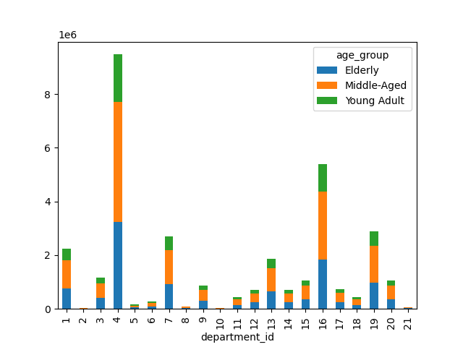

QUESTION: What are the favourite departments in different age groups?
ANSWER: Department 4 (produce) is the overall the best sold in different age groups and mostly chosen by the middle aged and elderly. The general distubition of tendencies is repetative. That means the best sold departments might not be very affected by the customers age group. However some departments do not follow the pattern.
RECOMMENDATIONS: Department 17,9 and 20 are not so popular among young adults and do not follow the overall distrubition. Those departments can be promoted to young adults more. Especially dry goods pasta (9) can be promoted to students among the young adult group.

Frequency

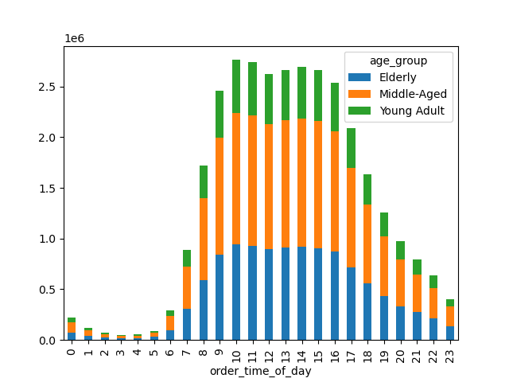

QUESTION: When do different age groups order fron Instacart?
ANSWER: 10AM is overall the busiest time of a day. However elderly and middle-aged customers make the same amount of orders in 11AM. The sales in young adult groups is more variable. In conclusion, high spenders are active in all afternoon (11AM-3PM) and 12PM is not as busy as 11AM for young adults.
RECOMMENDATIONS: 8PM and 21PM might be the perfect time to boost campaigns on social media. This time period could be great to promote products that are related to young adults more since they do not have a stabile interest like elderly and middle-aged customers. Overall advertisement can take place between 4PM and 11PM

Frequency

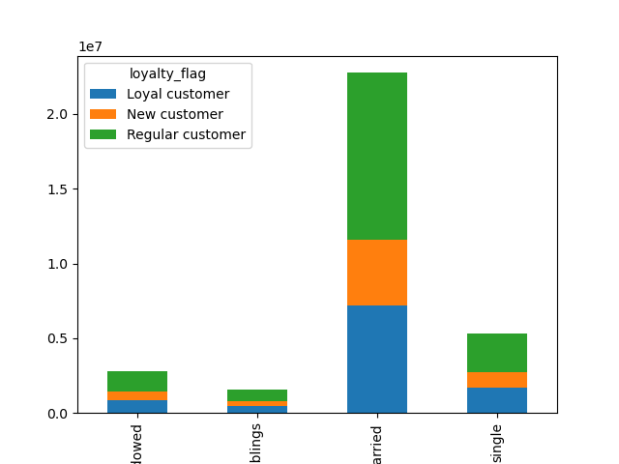

QUESTION: Does family status affects the loyalty of customers? Which family status is the most loyal to the company?
ANSWER: Married customers tend to be more loyal to the company than single,widowed and people that are living with siblings. Most of the married customers are regular or loyal customers.
RECOMMENDATIONS: Instacart can keep its family friendly advertisement and mostly target married people with families. The customer groups such as widowed and living with family could be the target of more advertisement or campaigns.

Divorced/widowed
Living with family and sibling
Married
Single

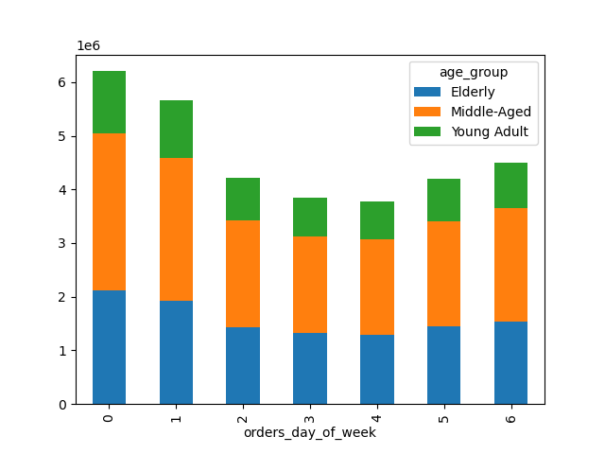

QUESTION: Which days do different age groups order from Instacart?
ANSWER: Every age group tend to order the most in Sunday . The next busiest days are Monday,Thursday and Saturday among age groups. However elderly do not have a dramatic decrease in middle of the week due to the fact that they are retired.
RECOMMENDATIONS: Middle of the week would be a great time period to boost the products that are favoured by elderly and have discounts to involve young adults more. Sunday and Monday could be great to not to have any discounts but more staff to deliver.

Frequency

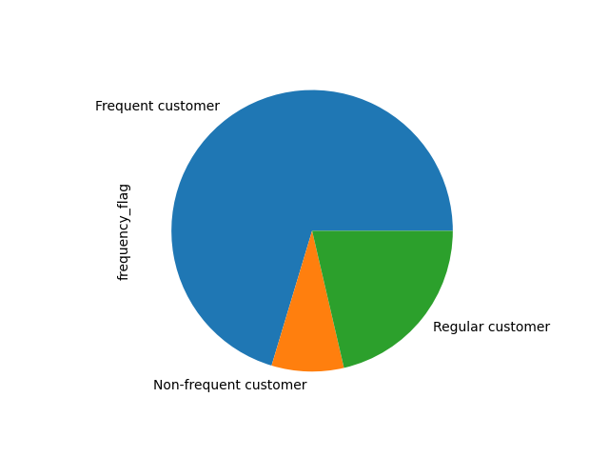

QUESTION: Do customers order frequently?
ANSWER: Most of the customers order frequently from Instacart or regulars. There are few customers that are non-frequent.
RECOMMENDATIONS: Most of the customers are frequently engaged with Instacart. That could mean that there can be minimum purchase price and brand can target more high spenders rather than frequent low price purchase from customers.

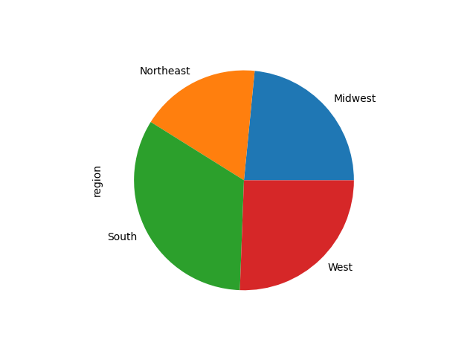

QUESTION: Which regions do the most of the customers live?
ANSWER: Most of the customers live in South. West comes the second and then Midwest. Northeast region has the smallest number of customers.
RECOMMENDATIONS: Northeast region can have more discounts and campaigns since most of the counties in the region is equal or above the average poverty rate across USA (https://agsci.psu.edu/research/food-security/about/project-narratives/food-security-in-the-northeast-us).



QUESTION: Does customers income connected to their age?
ANSWER: There is a slight positive connection between age and income after 40 but there are a lot of outliers in every age group. People tend to have the same income until their 40's then there is a higher chance of increase.
RECOMMENDATIONS Business decisions should not only focus on age since it is not the only factor when it comes to income status. However, when the target audience is chosen as middle-age group, it can be wise to give a special attention to customer above 40 years old.

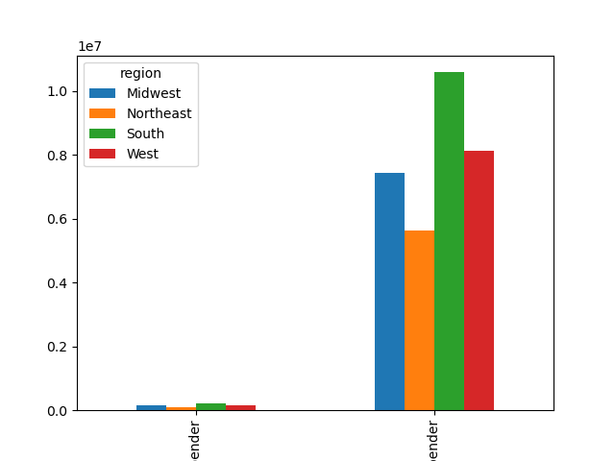
Age

QUESTION: Which regions do the high spender customers live?
ANSWER: There is a postive correlation between the number of customers and high spenders. Most of the high spender customers live in South. West comes the second and then Midwest. Northeast region has the smallest number of high spender customers.
RECOMMENDATIONS: The regions with more customers also have the most high spenders. That could support the idea of people in northeast has more poverty than other regions. This area could have more campaigns and discounts for people under 40.

Low Spender
High Spender

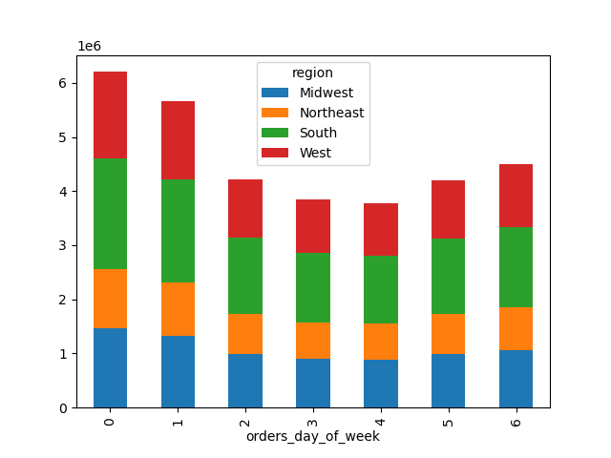

QUESTION: Do different regions prefer different days to order?
ANSWER: There is more stability in mid-week days in region so day preference is more about age and employement rather than region of the customer. Howerever,customers that live in Northeast do stay stabile in terms of orders on Friday and Saturday. Also Midwest region do have stability unlike the other regions with increase on Saturday.
RECOMMENDATIONS: Midwest region could have more advertisements on Saturday and products that are offered can be organized for the demand. Northeast region can also have more advertisement.

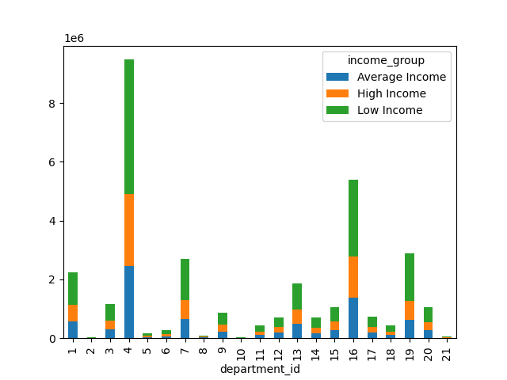

QUESTION: Which departments do the high income customers shop the most?
ANSWER: High income customers tend to shop from department 4 (produce),16( dairy eggs), 19(snacks),1(frozen),13 (pantry) and 20 (deli). They shop from personal care department much more than customers with low and average income.
RECOMMENDATIONS: Personal care department can have more high end products since it is already chosen by high income customers. Making personal care department have more discounts and broading the customer income range can also be an option since most of the customers have low income but use the service frequently.

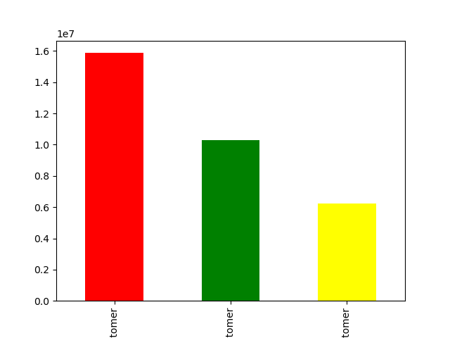

QUESTION: What is the distrubition between loyal,new and regular customers?
ANSWER: There are more regular customers than loyal customers. There is small amount of customers that are new. That could mean that most customers engage with the brand. Significant portion of them tend to order frequently.
RECOMMENDATIONS: There could be more campaigns for new customers since there are not so many and can be work well to attract more new customers. The regular customers can be encouraged by task and discount games since a big amount of customers do not become loyal to the brand even though they use the servise frequently.

Regular Customer
Loyal Customer
New Customer

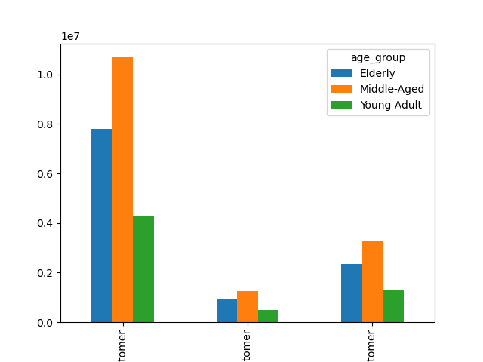

QUESTION: Which age groups are the most loyal to the brand?
ANSWER: Middle age customers tend to be more loyal to the brand compatred to elderly and young adults. Howeve big proportion of them are regular rather than loyal customers.
RECOMMENDATIONS: Middle-aged and married customers in regular customer category can be the niche target for promotions and bounding advertisements.

Regular Customer
New Customer
Loyal Customer

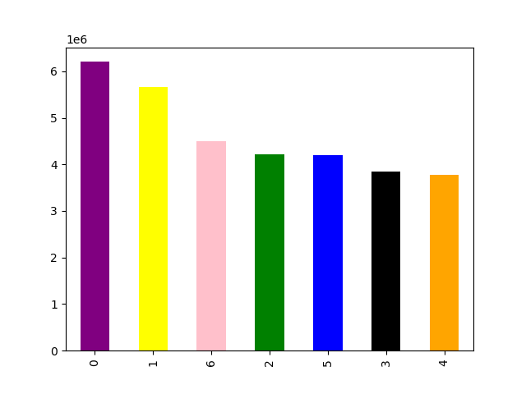

QUESTION: What is the busiest day in Instacarts orders?
ANSWER: Sunday is the busiest day in terms of orders. The second busiest day is Monday and then Thursday.
RECOMMENDATIONS: Sunday, Monday and Thursday can be the days to distribute the advertisements,campaigns and promotions across regions.

Days

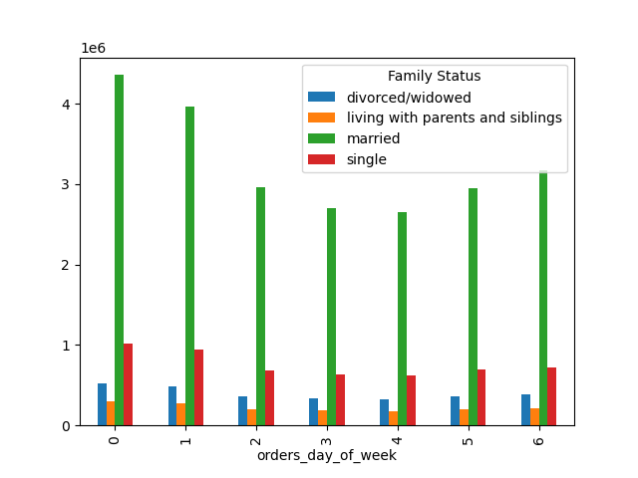

QUESTION: Does order day of the week depends on the family status of customers?
ANSWER: There are not so many changes in terms of sales in customers that are living with ther parents/siblings and divorced/widowed. However married customers tend to order much more on weekends, Friday and monday. Same pattern is also true for single people but the increase is not as dramatic as married people between days.
RECOMMENDATIONS: Married people can be targeted in weekends and other groups can have discounts in weekdays.



QUESTION: What is the range of prices in Instacart?
ANSWER: Most of the products are beween 3$ and 15$. There are more low end products than high-end ones.
RECOMMENDATIONS: There can be more high-end products to target average and high income customers. It can be a good strategy since there is more frequent customers and low spending than high spending.

Prices
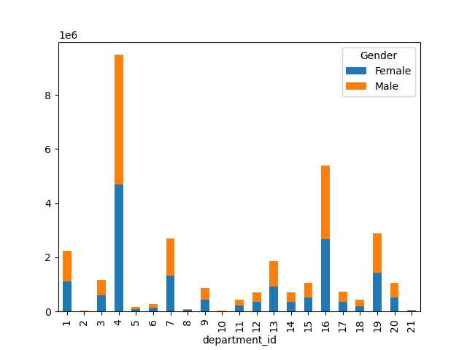

QUESTION: Does gender affects the preferences about departments?
ANSWER: No, it does not affect it since most of the departments have nearly equal amount of female and male buyers. There is not a correlation between preferences and gender.
RECOMMENDATIONS: The advertisements and bussiness decisions should not be heavily based on gender since the customer profile is nearly equal in every department.

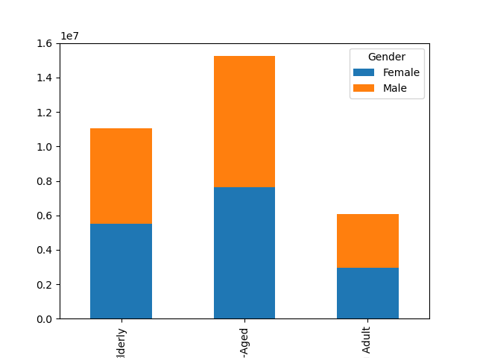

QUESTION: What is the gender distrubition in different age groups?
ANSWER: It is %50 male and %50 women in every age group so it would be safe to say that the connection between age groups and sales are not about gender of the customer.
RECOMMENDATIONS: The age groups are divided by half in terms of gender so marketing should always target both genders equally.

Elderly
Middle-aged
Young Adult

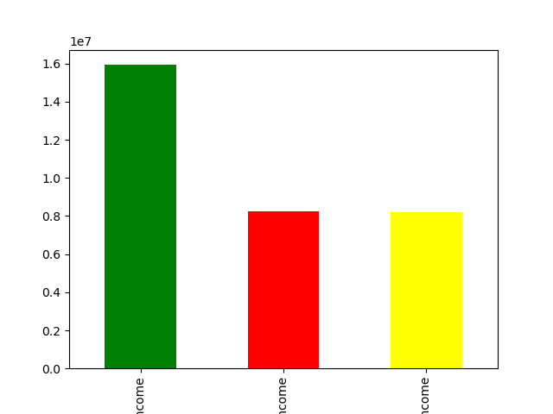

QUESTION: What is the distrubition of customers in different income groups?
ANSWER: There are more low income customers than high and average income customers. There is no difference between amount of average and high income customers. That means that that prices are for low income customers-since there is more low end products. The high income customers might not be able to buy the products they like as there is not so many high-end products.
RECOMMENDATIONS: More high-end products can be placed to departments like personal care to attract more high income customers.

Low Income
High Income
Low Income

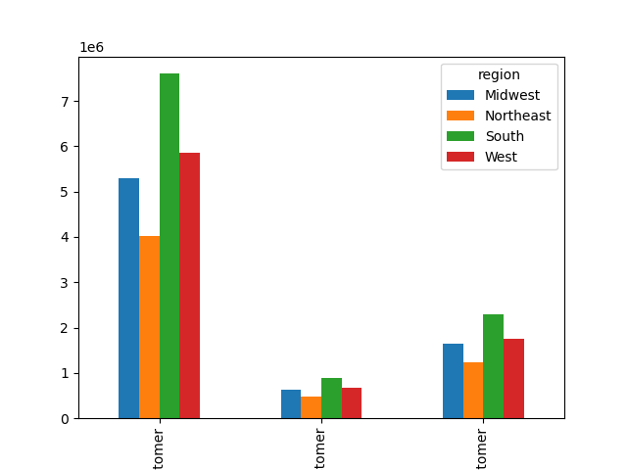

QUESTION: Is there a difference in terms of loyalty to the brand across regions?
ANSWER: There is not a very strong correlation between regions and number of customers that are loyal. However, even though there are not so many customers from Midwest, customers that are living there nearly as loyal as West. That could mean that the brand can actually function in the region but maybe not very well known among people.
RECOMMENDATIONS: There can be more new customer gifts and discount in Midwest since the brand might not be so well known.

Regular Customer
New Customer
Loyal Customer

7. Recommendations
Title page

Recommendations

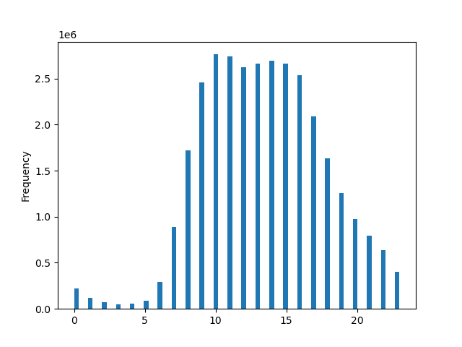

KEY QUESTION 1: The sales team needs to know what the busiest days of the week and hours of the day are (i.e., the days and times with the most orders) in order to schedule ads at times when there are fewer orders.
ANSWER: Busiest days of the week are Sunday, Monday and Thursday. The busiest hour of the day is 10AM and 11AM.
RECOMMENDATION: Ther can be more advertisement in mid-week days and late evenings.

Frequency

Frequency

orders_day_of_week
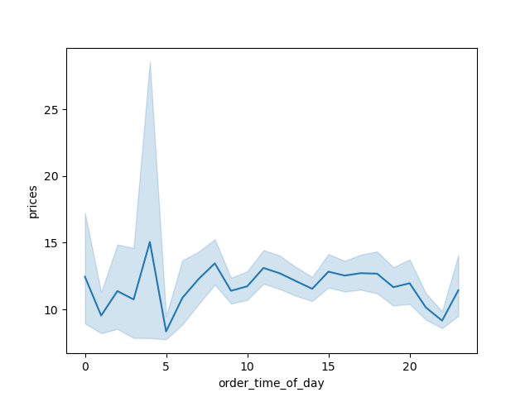
order_time_of_day

KEY QUESTION 2: They also want to know whether there are particular times of the day when people spend the most money, as this might inform the type of products they advertise at these times.
ANSWER: People spend the most amount of money after 3AM till 5AM and then 11AM.
RECOMMENDATION: The products that are used at nighs can be advertised more to customers since products with highest price is bough in that time of day.

KEY QUESTION 3: nstacart has a lot of products with different price tags. Marketing and sales want to use simpler price range groupings to help direct their efforts.
ANSWER: Most of the prices are under 15$ so most of the products are not high-end in parallel with the lower and average income customers.
RECOMMENDATION: After 15$ can be tagged as high-end product. Between 7$ and 15$ can be the average product and less can be tagged as low-end product.

prices
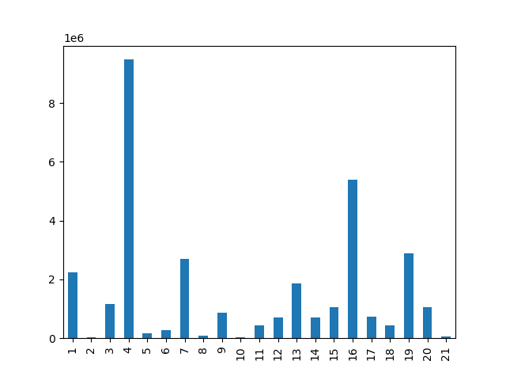

KEY QUESTION 4: Are there certain types of products that are more popular than others? The marketing and sales teams want to know which departments have the highest frequency of product orders.
ANSWER: Department 4,16,1,7 and 19 are the most popular departments and they have the highest frequency.
RECOMMENDATION: Investing in 4,16,1,7 and 19 would be beneficial for the company.

department_id
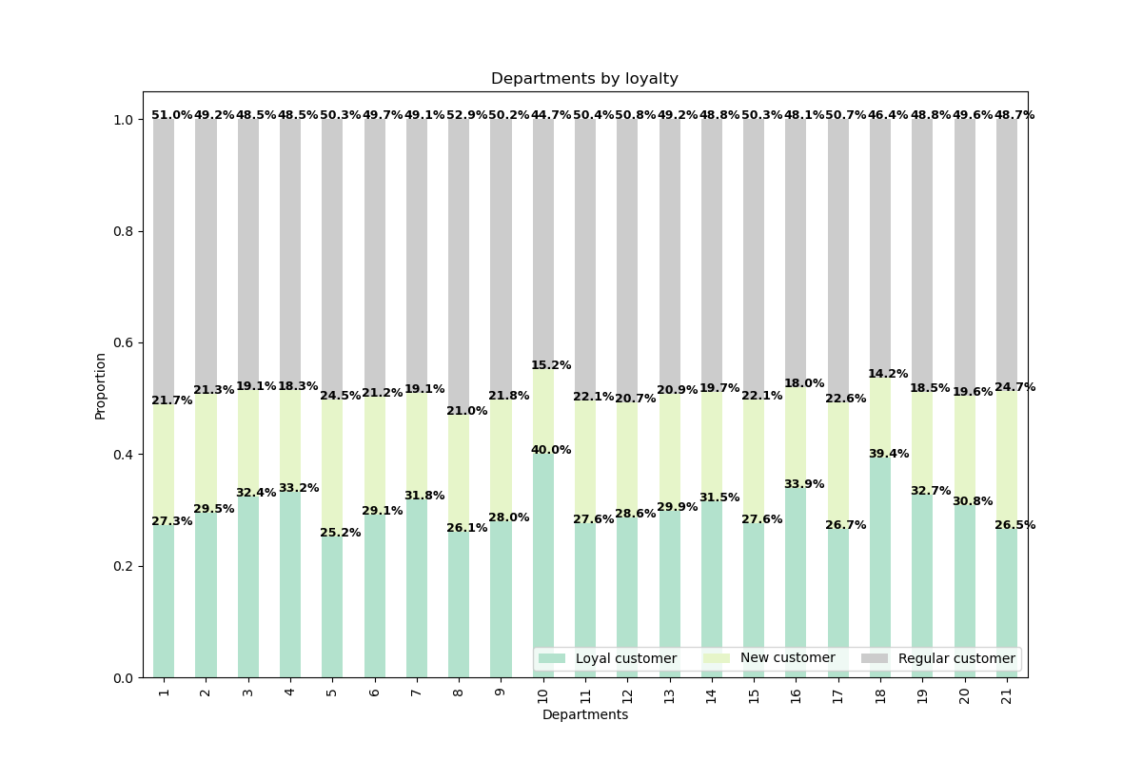

KEY QUESTION 5: What’s the distribution among users in regards to their brand loyalty (i.e., how often do they return to Instacart)?
ANSWER: There are more regular customer than loyals. Most of the loyal customers shop from department 10 and 18.
RECOMMENDATION: Most of the customers use the brand more than one time and become regulars. Those who did use the service significant times can have discounts to boost the loyalty. Departments with higher proportion of loyal customers can be advertised to regular customers.

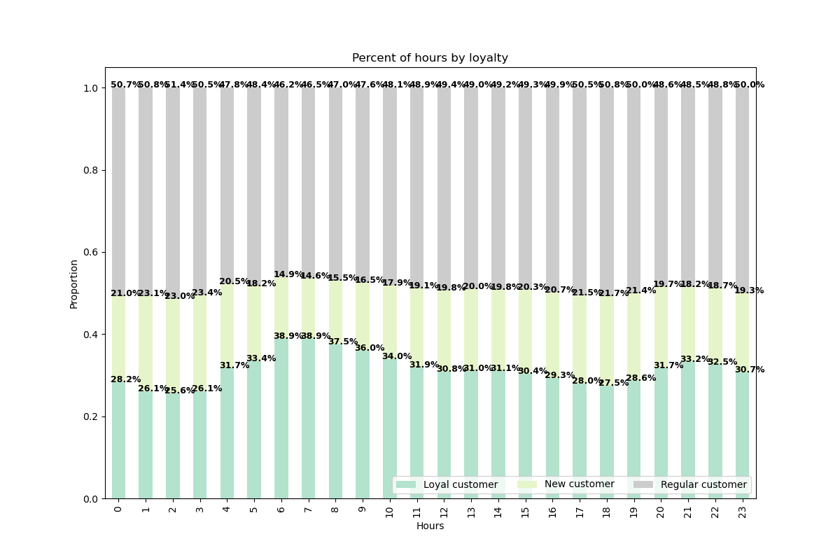
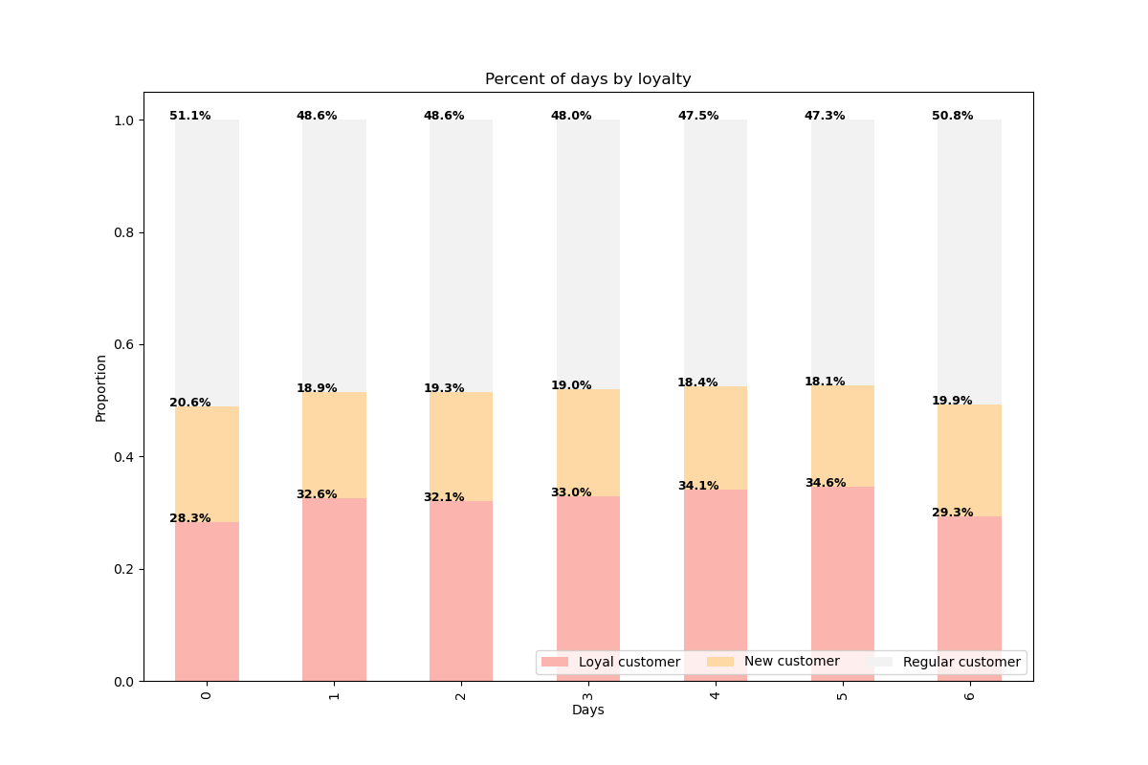

KEY QUESTION 5: Are there differences in ordering habits based on a customer’s loyalty status?
ANSWER: Although most of the customers are rather regulars than loyal; There are also significant amount of loyal customers.
RECOMMENDATION: Most of the customers use the brand more than one time and become regulars. Those who did use the service significant times can have discounts to boost the loyalty.

KEY QUESTION 6:Are there differences in ordering habits based on a customer’s region?
ANSWER: Most of the customer are from South, Midwest and West. Most of the high spenders are from Midwest and South and West. Proportion of regions do not change radically during the week and sunday is the most popular day. There are significant amout of loyal customers in South and West.
RECOMMENDATION: Customers that live in Midwest tend to be the second high spenders so this region can have more high-end products. There are not as many loyal customer as West in Midwest so there can be more advertisement campaigns to create a bound.

High Spender
Low Spender

Regular Customer
New Customer
Loyal Customer

KEY QUESTION 7:Is there a connection between age and family status in terms of ordering habits?
ANSWER: Most of the loyal customers are married and they are middle aged. Only middle aged people tend to shop from department 2,21 and 10. Married people tend to order more on Sunday and Monday while customers that are living with parents and siblings order the same amount through the week.
RECOMMENDATION: There can be more discounts in department 2,21 and 10 for customer that are living with their parents and siblings in weekday since they tend to stay stabile through the weekdays.

divorced/widowed
living with parents and siblings
married
single

Regular Customer
New Customer
Loyal Customer

KEY QUESTION 8:What different classifications does the demographic information suggest? Age? Income? Certain types of goods? Family status?
ANSWER: Most of the customer frequent, low invome and have multiple children. They are mostly from South and married, middle-aged. Sex are %50 female and %50 male.
RECOMMENDATION: Customers that live in Midwest tend to be the second high spenders so this region can have more high-end products. There are not as many loyal customer as West in Midwest so there can be more advertisement campaigns to create a bound.

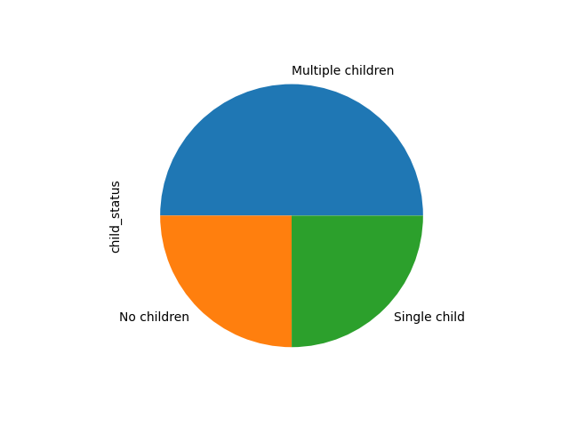

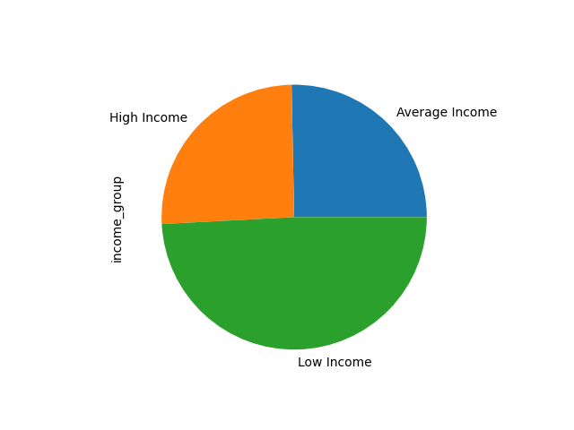

KEY QUESTION 9:What differences can you find in ordering habits of different customer profiles? Consider the price of orders, the frequency of orders, the products customers are ordering, and anything else you can think of.
ANSWER: Department 5 is the most popular in female, low income,middle-aged customers from South. Department 21 is the most popular in male, low income, middle-aged customers from West. Overall most popular department is 4 and it is favoured by male middle-aged low income customers from West. Mosr of the frequent customers are from South and West. Customers from Midwest tend to be less frequent than West even though there is same amount of customers. Most of the high spenders are middle aged and elderly. Even though there are much more customers that are middle-aged, elderly customer tend to spend more money than them. Even though there is a positive correlation and income after the age of 40, there are a lot of outliers in the scatterplot. Therefore, famil status and region can inform us about habits more than the age/income.
RECOMMENDATION: Most of the advertisement can target the middle aged and low income customers with mutliple children from West, Midwest and South. Sex is not a very efficient way to choose the target audience since it is nearly equal in number. Elderly people can be targeted

Elderly
Middle-aged
Young Adult

Frequent Customer
Regular Customer
Non-frequent Customer

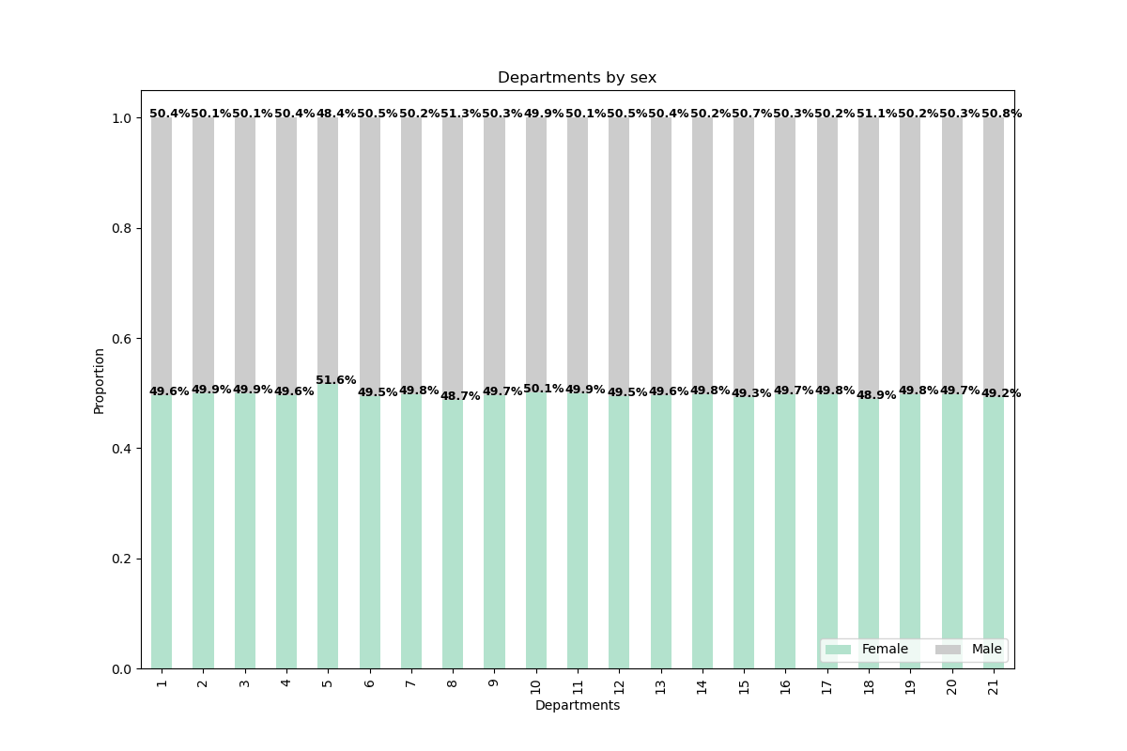
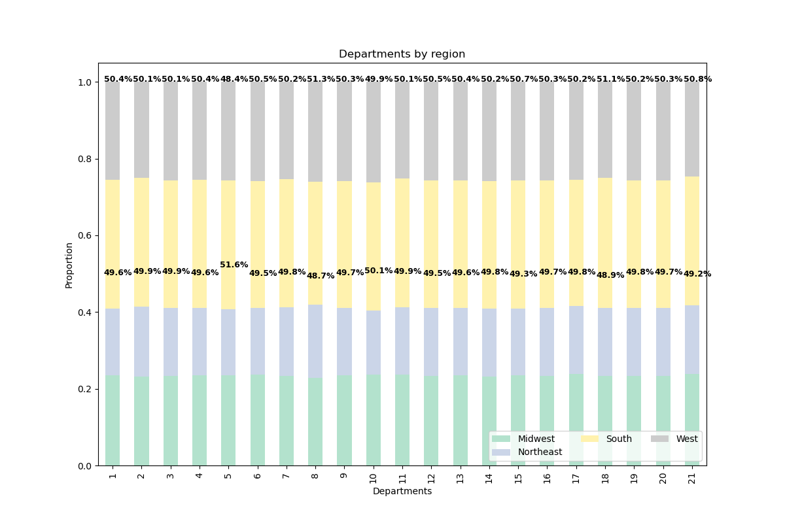

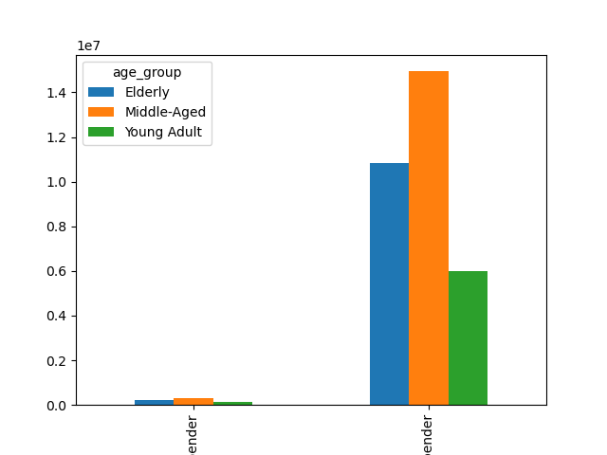

High Spender
Low Spender

